T-Test
Z Score Q1 | Z Score Q2
1.3362363051 | 0.89290935362
0.39669515306 | 0.019411072905 | https://www.socscistatistics.com/tests/ttestdependent/default2.aspx
-0.54284599893 | -1.7275854885
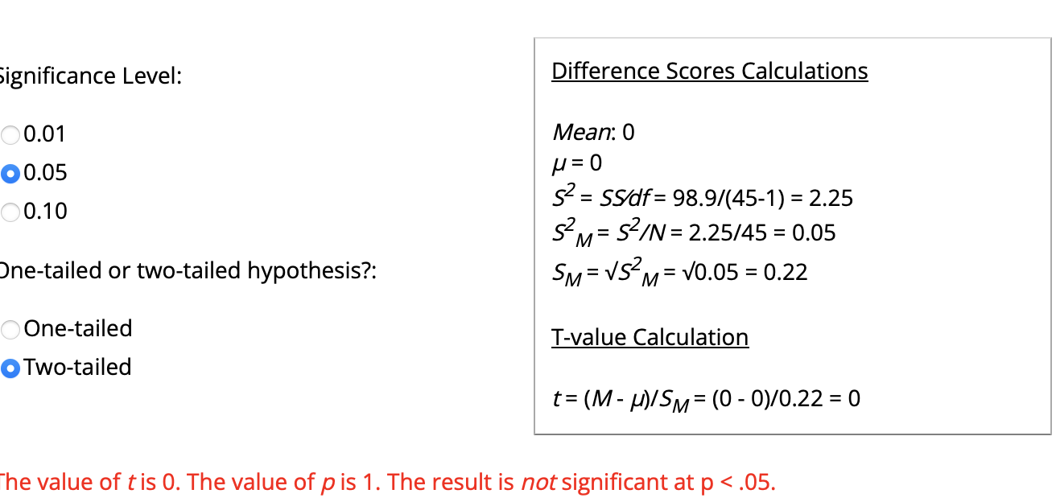
-0.54284599893 | -0.85408720781
0.39669515306 | 0.019411072905
-1.4823871509 | 0.019411072905
-0.54284599893 | 0.89290935362
1.3362363051 | 0.89290935362
0.39669515306 | 0.89290935362
-0.54284599893 | 0.019411072905
1.3362363051 | -1.7275854885
0.39669515306 | 0.019411072905
-0.54284599893 | -0.85408720781
0.39669515306 | -0.85408720781
-0.54284599893 | 0.019411072905
1.3362363051 | -0.85408720781
0.39669515306 | 1.7664076343
1.3362363051 | 1.7664076343
0.39669515306 | -1.7275854885
0.39669515306 | 0.89290935362
-0.54284599893 | 0.019411072905
1.3362363051 | 0.019411072905
1.3362363051 | 0.89290935362
1.3362363051 | -0.85408720781
-0.54284599893 | -0.85408720781
-0.54284599893 | -0.85408720781
-1.4823871509 | 0.019411072905
-0.54284599893 | 0.89290935362
-1.4823871509 | 0.019411072905
1.3362363051 | 0.019411072905
0.39669515306 | -0.85408720781
1.3362363051 | 0.89290935362
-0.54284599893 | 0.019411072905
-0.54284599893 | -0.85408720781
-1.4823871509 | 1.7664076343
-1.4823871509 | -0.85408720781
0.39669515306 | -0.85408720781
1.3362363051 | -1.7275854885
-1.4823871509 | 1.7664076343
0.39669515306 | 0.89290935362
-1.4823871509 | -0.85408720781
0.39669515306 | -0.85408720781
-1.4823871509 | 1.7664076343
-1.4823871509 | 0.89290935362
0.39669515306 | 0.019411072905

Demographics
 |  |  |  |  |  | Age Demographic
Row Labels | Count of ID | Row Labels | Count of ID |  |  | Descriptive | Age
Female | 25 | Black, African-American, or African | 4 |  |  | Min | 18
Male | 20 | Human | 1 |  |  | Avg | 33.5
Grand Total | 45 | Latin American | 1 |  |  | Max | 72
 |  | Latino-American | 1
 |  | Middle Eastern | 1
 |  | mixed | 1
 |  | White | 36
 |  | Grand Total | 45

Number of Reponses by Major
Row Labels | Count of ID
Accounting and Finance | 1 |  |  | Row Labels | Count of ID
Athletics | 1 |  |  | Faculty | 8
Bible/ Theology | 1 |  |  | Staff | 10
Biochemistry | 2 |  |  | Student | 27
BUS TECH | 1 |  |  | Grand Total | 45
Chemistry | 2
Clinical Mental Health & Counseling | 3
Counseling | 2
Criminal Justice | 1
Data Analytics | 1
Education | 1
Event Services | 1
Exercise science | 4
Marketing | 1
MBA | 1
Mental Health Counselor in the CSS | 1
No Response | 8
Nursing | 3
Psychology | 2
Residence Life | 1
Social Work | 2
Business Administration | 4
Finance and Business Administration Administration | 1
Grand Total | 45

Pivot Tables Before
Columns I to X

Row Labels | Count of ID | Row Labels | Count of ID |  | Row Labels | Count of ID | Row Labels | Count of ID
No | 35 | No | 31 |  | No | 45 | All of the time | 1
Yes | 10 | Yes | 14 |  | Grand Total | 45 | Never | 2
Grand Total | 45 | Grand Total | 45 |  |  |  | Often | 14
Previously Owned Crypto
Aware of Potential Risks with Crypto's
 |  |  |  |  |  |  | Seldom | 6
Awareness of AML Regulations
 |  |  |  |  |  |  | Some of the time | 22
 |  |  |  |  |  |  | Grand Total | 45
Belief that Crypto Transactions are Legitimate

Count of Type of Cryptocurrency Response
Crypto | Count |  | Row Labels | Count of ID | Row Labels | Count of ID
Bitcoin | 27 |  | No | 41 | No | 12
Dogecoin | 19 |  | Yes | 4 | No Response | 2
Ethereum | 4 |  | Grand Total | 45 | Yes | 31
Avalanche | 1 |  |  |  | Grand Total | 45
Encountered Money Laundering with Crypto's
Litecoin | 1
Should there be Stricter Reguations
Ripple | 1
Shiba Inu | 1
Solano | 1
Stellar Lumens | 1

Pivot Tables After
Columns Y to AE
Change in Perceptions/Behaviors |  | Change in Perceptions of Cryptocurrencies |  | Should their be stricter regulations
Row Labels | Count of ID | Row Labels | Count of ID | Row Labels | Count of ID
No | 23 | No | 17 | stricter regulations are necessary | 34
Yes | 22 | No Response | 1 | current regulations are sufficient | 8
Grand Total | 45 | Yes | 27 | No Response | 2
Perceptions and Behavors Have Changed
 |  | Grand Total | 45 | stricter regulations would excessive and unnecessary | 1
 |  |  |  | Grand Total | 45
Cryptocurrency Perception Changes
Count of Wanting Stricter Regulations

Likelihood of Investing in Crypto's in the Future |  | Anticipation of Cryptocurrency Usage
Row Labels | Count of ID | Row Labels | Count of ID
Unlikely | 16 | take additional precautions | 16
Neutral | 13 | continue to use cryptocurrencies as before | 14
How Cryptocurrency Use Will Change
Extremely Unlikely | 13 | stop using cryptocurrencies | 7
Extremely Likely | 3 | No Response | 5
Grand Total | 45 | I will reduce my use of cryptocurrencies | 3
 |  | Grand Total | 45
Count of Likelihood to Invest in Crypto in the Future

